수정 내용
 | ※ 해당 체크리스트는 LG 시스템 내에서 모델 및 필터링을 통해 제작되는 형식으로 매뉴얼 점검사항 外 타 내용 포함. 매뉴얼 점검사항일 경우에는 필터링을 통해서 Image 란에는 공란 반영
비고 란
No | Product type | Regulation Category | Region | Country | Detail | Checking data | Image | File | Evidence | Result | Remark
Checking data 표준 문장 점검 결과 (매뉴얼 점검 항목은 대상 아님)

매뉴얼 점검 항목에는 Image, File 없음
단, Checking data에는 표준 문장
제품군
항목
예시)
- 사내표준
- 안전규격
- 에너지규격
-친환경규제
- 소비자보호규제
등...
지역
- 공통
- 아시아
- 북미
- 유럽
- CIS
등..
판매 국가
- 공통
- 호주
- 인도
- 캐나다
(지역 內
상세 구분을 위함)
어떤 내용
이 있어야
하는지 상세 안내
Checking data = 표준 문장

Evidence = 점검 콘텐츠

Evidence = 문장 위치
U.I에 반영되어야 하는 항목

지역과 판매국가를 이중관리하는 이유는 제품 판매하는 영업 정책에 따름

 | ※ 기존 반영 |  |  |  |  |  |  |  | ※ 수정 반영
 | No. | Detail(English) | Detail(Korean) | Type | 표준 문장 | 매뉴얼 반영 문장 |  |  | No | Product type | Regulation Category | Region | Country | Detail | Checking data | Image | File | Evidence | Result | Remark

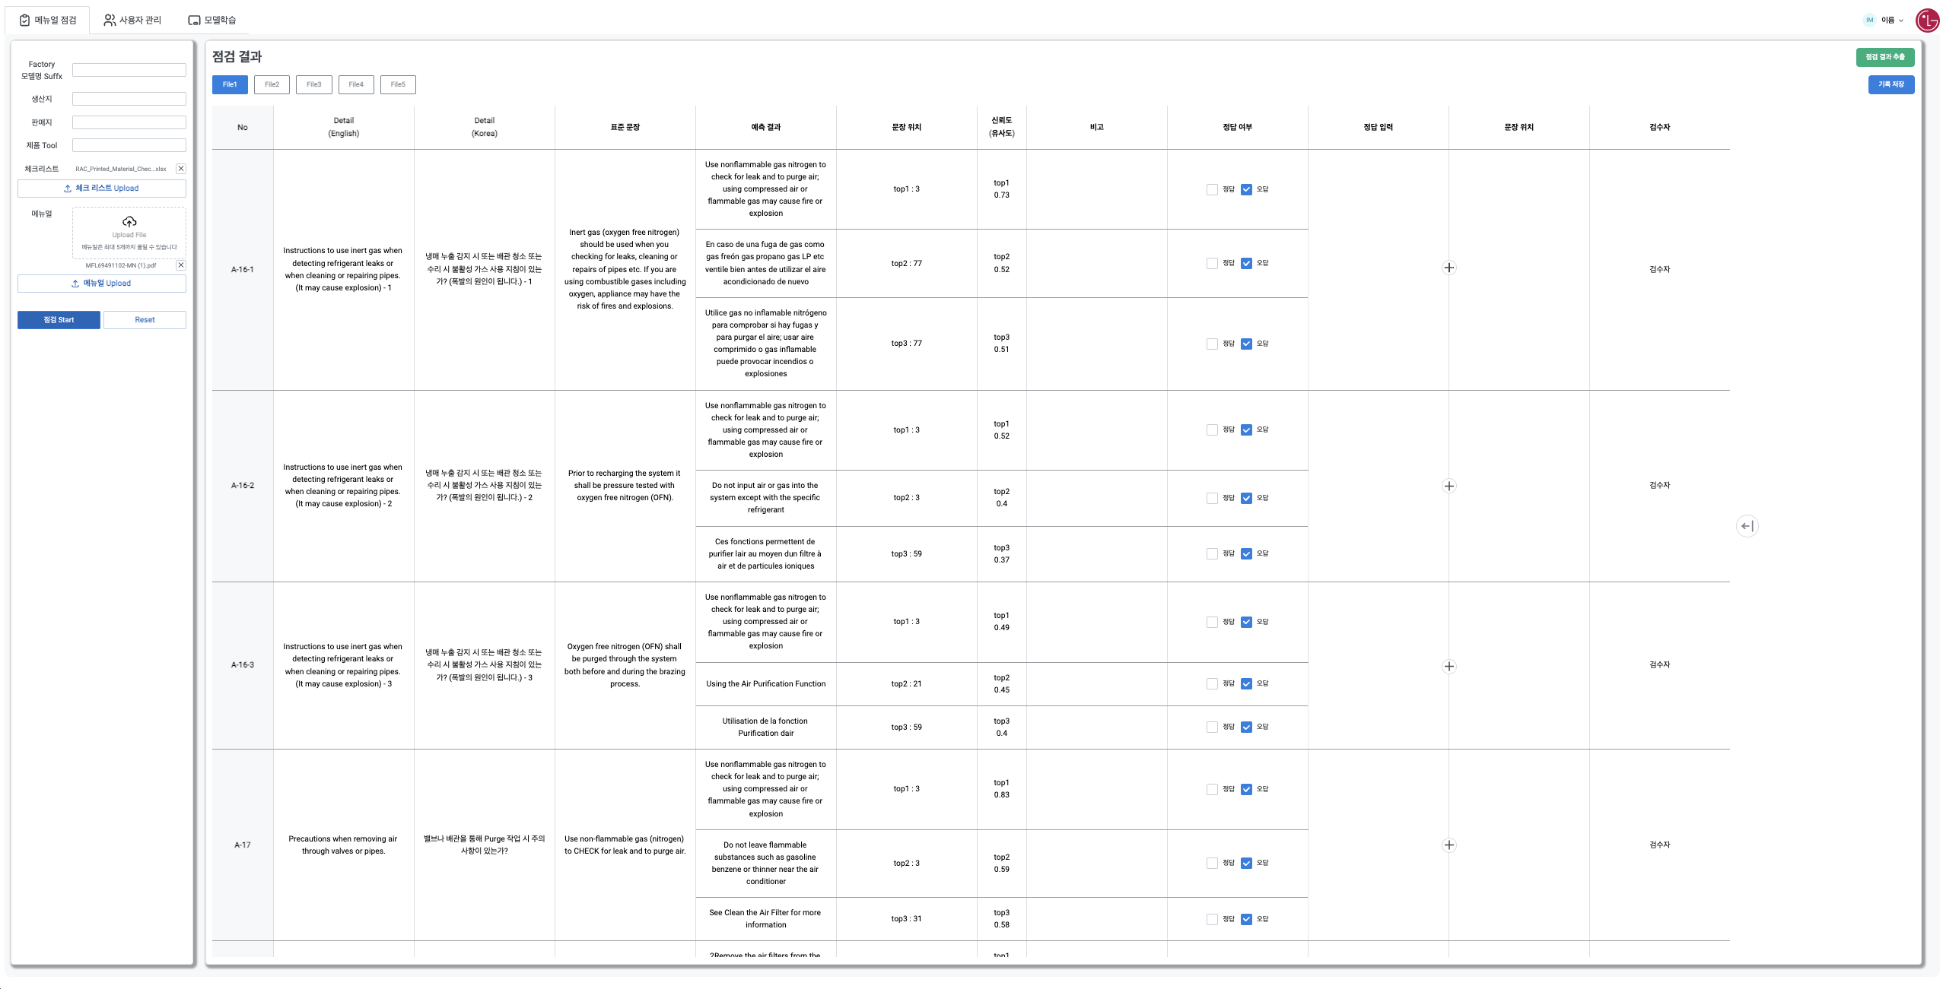

매뉴얼 점검 툴은 점검결과를 통해 나타나는
신뢰도(유사도), 정답 여부, 정답 입력, 검수자 추가 반영 필요함.

